Problem
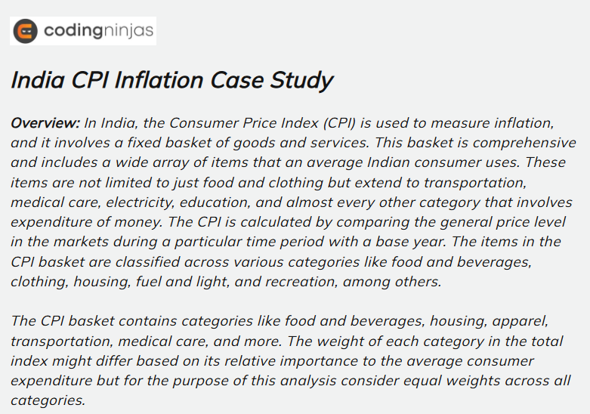
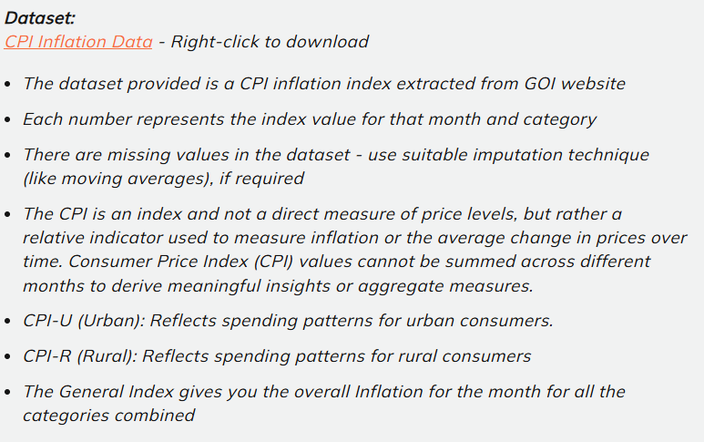

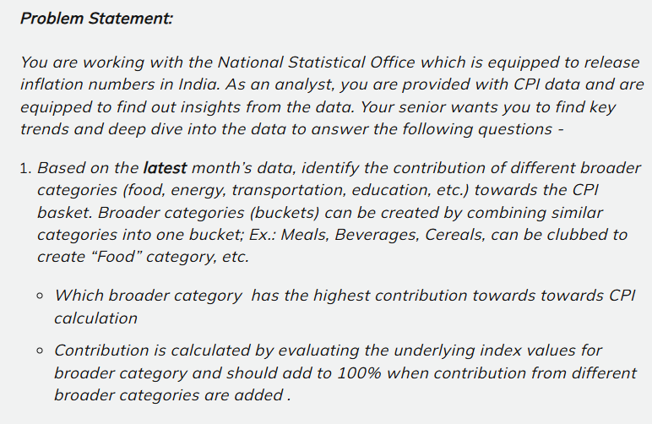
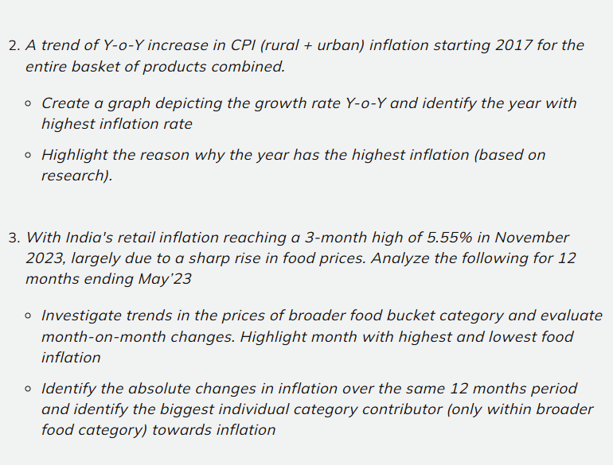
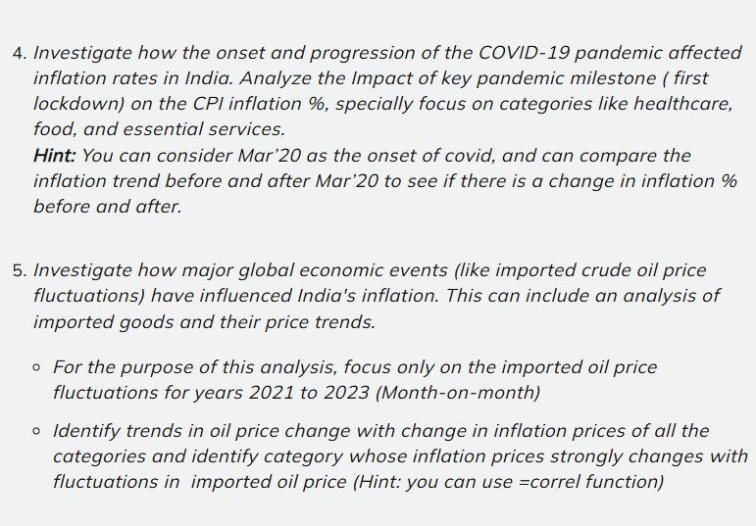
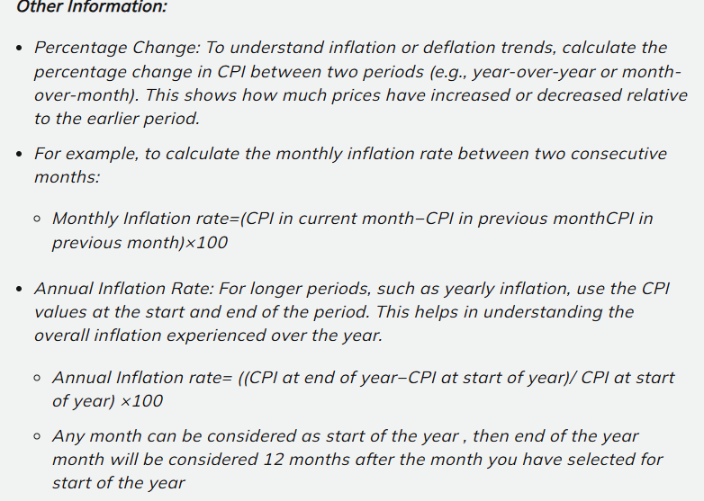

Notes
Notes Section:-

Data Cleaning :-
1)Under this problem I replace the Month name March and November under the Month column.
2)Created column DDMM by using Concatenate formula
Handling Missing Values :-
Using = Moving Average
Note:-
By taking 3 upper values and 3 lower values
Handling Percentage rate:-
Using = Inflation rate formula
1)Monthly inflation rate =(CPI in current month-CPI in previous month)x100
2)Annual inflation rate = (CPI at end of year-CPI at start of year)x100

Calculating Covid Period :-
Problem 4 = Under this problem I calculated pre-covid and post-covid period by using IF formula.
Correlation:-
Problem 5 = Under this problem I calculate correlation.
Note:-
By correlate India crude oil prices with each categories CPI value(Month wise). Indian crude oil prices are taken from Gov. Website.

Task 1
OBJECTIVE :-
To identify the contribution of major categories to CPI and highlight the highest contributor. (Latest month i.e.MAY 2023)

FOR RURAL+URBAN AREA

% SHARE OF CPI FOR RURAL+URBAN AREA
CONCLUSION:-
Food is the largest CPI contributor (50.16%), followed by Luxury (22.97%) and Housing (13.54%). This shows that food price changes have the biggest impact on overall inflation.
SUBCATEGORIES | %Share
EDUCATION | 3.66%
FOOD | 48.30%
FUEL AND LIGHT | 3.78%
GI | 3.71%
HEALTH | 3.84%
HOUSING | 7.26%
LUXARY | 22.41%
MIS | 3.64%
TRANSPORTATION | 3.41%
(blank) | 0.00%
Grand Total | 100.00%

Raw data for task 1
FOR RURAL+URBAN |  |  |  |  |  |  | FOR RURAL AREA

Category | Type | May-2023 CPI | %Share |  |  |  | Category | Type | May-2023 CPI | %Share | SUBCATEGORIES | %Share
Cereals and products | FOOD | 173.7 | 3.59% |  |  |  | Cereals and products | FOOD | 173.2 | 3.56% | EDUCATION | 3.71%
Meat and fish | FOOD | 214.3 | 4.43% |  |  |  | Meat and fish | FOOD | 211.5 | 4.35% | FOOD | 47.58%
Egg | FOOD | 173.2 | 3.58% | SUBCATEGORIES | %Share |  | Egg | FOOD | 171 | 3.52% | FUEL AND LIGHT | 3.76%
Milk and products | FOOD | 179.5 | 3.71% | EDUCATION | 3.66% |  | Milk and products | FOOD | 179.6 | 3.70% | GI | 3.70%
Oils and fats | FOOD | 170 | 3.52% | FOOD | 48.30% |  | Oils and fats | FOOD | 173.3 | 3.57% | HEALTH | 3.87%
Fruits | FOOD | 172.2 | 3.56% | FUEL AND LIGHT | 3.78% |  | Fruits | FOOD | 169 | 3.48% | HOUSING | 7.40%
Vegetables | FOOD | 161 | 3.33% | GI | 3.71% |  | Vegetables | FOOD | 148.7 | 3.06% | LUXARY | 22.79%
Pulses and products | FOOD | 175.6 | 3.63% | HEALTH | 3.84% |  | Pulses and products | FOOD | 174.9 | 3.60% | MIS | 3.69%
Sugar and Confectionery | FOOD | 122.7 | 2.54% | HOUSING | 7.26% |  | Sugar and Confectionery | FOOD | 121.9 | 2.51% | TRANSPORTATION | 3.49%
Spices | FOOD | 218 | 4.51% | LUXARY | 22.41% |  | Spices | FOOD | 221 | 4.55% | Grand Total | 100.00%
Total % SHARE OF CPI FOR RURAL AREA
Prepared meals, snacks, sweets etc. | FOOD | 194.2 | 4.02% | MIS | 3.64% |  | Prepared meals, snacks, sweets etc. | FOOD | 191.1 | 3.93%
Food and beverages | FOOD | 179.1 | 3.71% | TRANSPORTATION | 3.41% |  | Food and beverages | FOOD | 176.8 | 3.64%
Pan, tobacco and intoxicants | FOOD | 201 | 4.16% | (blank) | 0.00% |  | Pan, tobacco and intoxicants | FOOD | 199.9 | 4.11%
 |  |  |  | Grand Total | 100.00%
Non-alcoholic beverages | LUXARY | 173.4 | 3.59% |  |  |  | Non-alcoholic beverages | LUXARY | 178.7 | 3.68%
Clothing | LUXARY | 187.3 | 3.88% |  |  |  | Clothing | LUXARY | 191.2 | 3.94%
Footwear | LUXARY | 179.7 | 3.72% |  |  |  | Footwear | LUXARY | 187.9 | 3.87%
Clothing and footwear | LUXARY | 186.2 | 3.85% |  |  |  | Clothing and footwear | LUXARY | 190.8 | 3.93%
Recreation and amusement | LUXARY | 171.2 | 3.54% |  |  |  | Recreation and amusement | LUXARY | 173.8 | 3.58%
Personal care and effects | LUXARY | 185.2 | 3.83% |  |  |  | Personal care and effects | LUXARY | 184.9 | 3.81%

Housing | HOUSING | 175.6 | 3.63% |  |  | . | Housing | HOUSING | 179.94 | 3.70%
Household goods and services | HOUSING | 175.2 | 3.62% |  |  |  | Household goods and services | HOUSING | 179.8 | 3.70%

Transport and communication | TRANSPORTATION | 164.8 | 3.41% |  |  |  | Transport and communication | TRANSPORTATION | 169.7 | 3.49%

Education | EDUCATION | 177.1 | 3.66% |  |  |  | Education | EDUCATION | 180.3 | 3.71%

Fuel and light | FUEL AND LIGHT | 182.8 | 3.78% |  |  |  | Fuel and light | FUEL AND LIGHT | 182.5 | 3.76%

Health | HEALTH | 185.7 | 3.84% |  |  |  | Health | HEALTH | 187.8 | 3.87%

Miscellaneous | MIS | 175.7 | 3.64% |  |  |  | Miscellaneous | MIS | 179.5 | 3.69%

General index | GI | 179.1 | 3.71% |  |  |  | General index | GI | 179.8 | 3.70%

TOTAL SUM |  | 4833.5 |  |  |  |  | TOTAL SUM |  | 4858.54

FOR URBAN AREA

Category | Type | May-2023 CPI | %Share
Cereals and products | FOOD | 174.7 | 3.63%
Meat and fish | FOOD | 219.4 | 4.55% | SUB CATEGORIES | %Share
Egg | FOOD | 176.7 | 3.67% | EDUCATION | 3.63%
Milk and products | FOOD | 179.4 | 3.72% | FOOD | 49.25%
Oils and fats | FOOD | 164.4 | 3.41% | FUEL AND LIGHT | 3.81%
Fruits | FOOD | 175.8 | 3.65% | GI | 3.70%
Vegetables | FOOD | 185.0 | 3.84% | HEALTH | 3.78%
Pulses and products | FOOD | 176.9 | 3.67% | HOUSING | 7.17%
Sugar and Confectionery | FOOD | 124.2 | 2.58% | LUXARY | 21.78%
Spices | FOOD | 211.9 | 4.40% | MIS | 3.56%
Prepared meals, snacks, sweets etc. | FOOD | 197.7 | 4.10% | TRANSPORTATION | 3.33%
Food and beverages | FOOD | 183.1 | 3.80% | Grand Total | 100.00%
% SHARE OF CPI FOR URBAN AREA
Pan, tobacco and intoxicants | FOOD | 204.2 | 4.24%

Non-alcoholic beverages | LUXARY | 165.9 | 3.44%
Clothing | LUXARY | 181.3 | 3.76%
Footwear | LUXARY | 168.1 | 3.49%
Clothing and footwear | LUXARY | 179.3 | 3.72%
Recreation and amusement | LUXARY | 169.2 | 3.51%
Personal care and effects | LUXARY | 185.6 | 3.85%

Housing | HOUSING | 175.6 | 3.64%
Household goods and services | HOUSING | 170.1 | 3.53%

Transport and communication | TRANSPORTATION | 160.4 | 3.33%

Education | EDUCATION | 174.8 | 3.63%

Fuel and light | FUEL AND LIGHT | 183.4 | 3.81%

Health | HEALTH | 182.2 | 3.78%

Miscellaneous | MIS | 171.6 | 3.56%

General index | GI | 178.2 | 3.70%

TOTAL SUM |  | 4819.1

Task 2
OBJECTIVE:-
To study the year-on-year CPI (rural + urban) inflation trend from 2017, identify the year with the highest rate, and understand the key factors behind it.

Growth rate YoY with % inflation rate
SECTOR | YEAR | MONTH | GENERAL INDEX | YoY CPI
Rural+Urban | 2017 | January | 130.3 | 5.30%
Rural+Urban | 2017 | December | 137.2
Rural+Urban | 2018 | January | 136.9 | 2.34%
Rural+Urban | 2018 | December | 140.1
Rural+Urban | 2019 | January | 139.6 | 7.74%
Rural+Urban | 2019 | December | 150.4
Rural+Urban | 2020 | January | 150.2 | 5.79%
Rural+Urban | 2020 | December | 158.9
Rural+Urban | 2021 | January | 157.3 | 5.66%
Rural+Urban | 2021 | December | 166.2
Rural+Urban | 2022 | January | 165.7 | 6.04%
Rural+Urban | 2022 | December | 175.7

📌 Key Reasons for High YoY CPI in 2019 (India)
1.Food inflation: Onion, tomato, pulses spiked due to floods & crop damage.
2.Protein items: Higher demand → rise in milk, eggs, meat, fish.
3.Fuel & transport: Crude oil volatility + rupee depreciation.
4.Core inflation: Education, health, services costs up.
 |  |  | YEAR | YoY CPI
 |  |  | 2017 | 16.12%
 |  |  | 2018 | 7.11%
CONCLUSION:-
The analysis shows varying inflation trends since 2017, with the highest recorded in [2019] mainly due to food price surge, fuel costs, pandemic impact, etc. This highlights how India’s inflation is strongly influenced by both domestic supply issues and global economic factors.
 |  |  | 2019 | 23.55%
 |  |  | 2020 | 17.63%
 |  |  | 2021 | 17.22%
 |  |  | 2022 | 18.37%
 |  |  | Grand Total | 100.00%

Task 3
Objective :-
To analyze the month-on-month (MoM) inflation trend in the Rural ,Urban and Rural+Urban sector from May 2022 to May 2023, identify periods of inflationary rise and decline, and highlight the highest and lowest points of rural inflation during this period.

MoM inflation by sector wise
 | 0.9%
 | 0.2%
 | 0.2%
 | 0.5%
 | 0.7%
 | 0.1%
 | -0.5%
 | 0.3%
 | -0.7%
 | 0.0%
 | 0.4%
 | 0.7%
Sector | DDMM | MoM inflation
Rural | May-2022
Rural | June-2022 | 0.9%
Rural | July-2022 | 0.2%
Rural | August-2022 | 0.2%
Rural | September-2022 | 0.5%
Rural | October-2022 | 0.7%
Rural | November-2022 | 0.1%
Rural | December-2022 | -0.5%
Rural | January-2023 | 0.3%
Rural | February-2023 | -0.7%
Summary :-
Rural Sector
Highest inflation: 1.1% (May 2022)
Lowest inflation: -0.7% (Feb 2023)
Trend:
Mixed fluctuations with sharp declines in Dec 2022 & Feb 2023, recovery by Apr–May 2023.
Rural | March-2023 | 0.0%
Rural | April-2023 | 0.4%
Rural | May-2023 | 0.7%

Task 4
Objective:-
To analyze the impact of COVID-19 (from Mar’20) on India’s CPI inflation, with focus on food, healthcare, and essential services, by comparing trends before and after the first lockdown.
Sector | Year | Month | %INFLATIONOF FOOD | AVG OF ESSENTIAL | %INFLATION OF ESSENTIAL | AVG OF HEALTH | %INFLATION OF HEALTH
Rural | 2018 | January | -1.4% | 124.45 | 4.54% | 136.00 | 10.0%
Urban | 2018 | January | 0.2% | 128.38 | 3.97% | 129.00 | 6.4%
Rural+Urban | 2018 | January | -0.8% | 132.80 | 4.67% | 133.30 | 8.7%
Rural | 2018 | December | -0.7% | 130.10 | -0.48% | 149.60 | 0.0%
Urban | 2018 | December | -0.1% | 133.48 | -0.51% | 137.30 | 0.4%
Rural+Urban | 2018 | December | -0.5% | 139.00 | -0.34% | 144.90 | 0.1%
Change in Inflation Rates Before and After COVID-19
Rural | 2019 | January | 10.3% | 129.48 | 2.16% | 149.60 | 3.5%
Urban | 2019 | January | 12.1% | 132.80 | 3.80% | 137.80 | 3.9%
Rural+Urban | 2019 | January | 11.0% | 138.52 | 3.25% | 145.10 | 3.7%
Rural | 2019 | December | -0.1% | 132.28 | 0.43% | 154.80 | 0.6%
Urban | 2019 | December | -0.6% | 137.85 | 0.69% | 143.20 | 0.4%
Rural+Urban | 2019 | December | -0.3% | 143.03 | 0.61% | 150.40 | 0.5%
Rural | 2020 | January | 8.3% | 132.85 | 1.90% | 155.70 | 3.8%
Urban | 2020 | January | 9.4% | 138.80 | 3.98% | 143.80 | 6.3%
Rural+Urban | 2020 | January | 8.7% | 143.90 | 3.09% | 151.20 | 4.7%
Rural | 2020 | December | -1.7% | 135.38 | 0.70% | 161.60 | 0.6%
Urban | 2020 | December | -1.4% | 144.33 | 1.02% | 152.90 | 0.8%
Rural+Urban | 2020 | December | -1.6% | 148.35 | 0.69% | 158.30 | 0.6%
Rural | 2021 | January | 4.5% | 136.33 | 6.84% | 162.50 | 7.1%
Urban | 2021 | January | 4.8% | 145.80 | 8.52% | 154.10 | 7.1%
Rural+Urban | 2021 | January | 4.6% | 149.38 | 7.68% | 159.30 | 7.1%
Rural | 2021 | December | -0.7% | 145.65 | 0.33% | 174.00 | 0.4%
Urban | 2021 | December | -0.9% | 158.23 | 0.43% | 165.10 | 0.6%
Conclusion: COVID-19 significantly impacted inflation in India, with food and healthcare showing sharp increases, while essential services remained relatively stable. Overall, inflationary pressures were stronger after 2020 compared to the pre-COVID period.
Rural+Urban | 2021 | December | -0.8% | 160.85 | 0.45% | 170.60 | 0.5%
Rural | 2022 | January | 5.6% | 146.13 | 6.07% | 174.70 | 5.0%
Urban | 2022 | January | 4.8% | 158.90 | 6.67% | 166.10 | 6.7%
Rural+Urban | 2022 | January | 5.4% | 161.58 | 6.48% | 171.40 | 5.7%

 |  |  |  |  |  |  |  | YEAR | % INFLATIONOF FOOD | % INFLATION OF ESSENTIAL | % INFLATION OF HEALTH
 |  |  |  |  |  |  |  | 2018 | -4.2% | 15.26% | 26.9%
 |  |  |  |  |  |  |  | 2019 | 41.4% | 14.10% | 13.2%
 |  |  |  |  |  |  |  | 2020 | 27.8% | 14.66% | 17.6%
 |  |  |  |  |  |  |  | 2021 | 14.9% | 31.22% | 23.9%
 |  |  |  |  |  |  |  | 2022 | 20.2% | 24.76% | 18.3%
 |  |  |  |  |  |  |  | Grand Total | 100.0% | 100.00% | 100.0%

Task 5
Objective:-
To study how crude oil price fluctuations (2020–2023) affected India’s inflation and identify categories most sensitive to oil price changes.

Crude oil prices Month to Month |  | FOR RURAL AREA
Dec-20 | 49.84 | CATEGORY | %CORRELATION
Jan-21 | 54.79 | EDUCATION | 3.95%
Feb-21 | 61.22 | FOOD | 42.31%
Mar-21 | 64.73 | FUEL AND ENERGY | 4.65%
Apr-21 | 63.40 | GI | 4.37%
May-21 | 66.95 | HEALTH | 4.28%
Jun-21 | 71.98 | HOUSING | 4.17%
Jul-21 | 73.54 | LUXARY | 26.70%
Aug-21 | 69.80 | MIS | 4.46%
Sep-21 | 73.13 | TRANSPORTATION | 5.11%
Oct-21 | 82.11 | Grand Total | 100.00%
Oil price flacution with Categories-wise for Rural area
 | Total
EDUCATION | 3.95%
FOOD | 42.31%
FUEL AND ENERGY | 4.65%
GI | 4.37%
HEALTH | 4.28%
HOUSING | 4.17%
LUXARY | 26.70%
MIS | 4.46%
TRANSPORTATION | 5.11%
Nov-21 | 80.64
Dec-21 | 73.30
Jan-22 | 84.67
Feb-22 | 94.07
Mar-22 | 112.87
Apr-22 | 102.97
May-22 | 109.51
Jun-22 | 116.01
Jul-22 | 105.49
Aug-22 | 97.40
Sep-22 | 90.71
Oct-22 | 91.70
Nov-22 | 87.55
Dec-22 | 78.10
Jan-23 | 80.92
summery:-
Oil price changes strongly impacted FOOD, while EDUCATION showed weaker effects. Imported oil remained a key driver of India’s inflation during Dec 2021–March 2023.
Feb-23 | 82.28
Mar-23 | 78.54

Raw data for Task 5
 |  | RURAL |  |  | URBAN |  |  | RURAL + URBAN
Crude oil prices Month to Month |  | CATEGORY | TYPE | CORRELATION | CATEGORY | TYPE | CORRELATION | CATEGORY | TYPE | CORRELATION
Dec-20 | 49.84 | Cereals and products | FOOD | 35.02% | Cereals and products | FOOD | 36.60% | Cereals and products | FOOD | 35.39%
Jan-21 | 54.79 | Meat and fish | FOOD | 83.12% | Meat and fish | FOOD | 84.33% | Meat and fish | FOOD | 83.60%
Feb-21 | 61.22 | Egg | FOOD | -17.06% | Egg | FOOD | -23.52% | Egg | FOOD | -18.91%
Mar-21 | 64.73 | Milk and products | FOOD | 49.21% | Milk and products | FOOD | 48.80% | Milk and products | FOOD | 49.05%
Apr-21 | 63.40 | Oils and fats | FOOD | 84.35% | Oils and fats | FOOD | 85.33% | Oils and fats | FOOD | 84.42%
May-21 | 66.95 | Fruits | FOOD | 64.11% | Fruits | FOOD | 54.49% | Fruits | FOOD | 60.38%
Jun-21 | 71.98 | Vegetables | FOOD | -4.28% | Vegetables | FOOD | 22.20% | Vegetables | FOOD | 5.59%
Jul-21 | 73.54 | Pulses and products | FOOD | 42.14% | Pulses and products | FOOD | 18.29% | Pulses and products | FOOD | 34.07%
Aug-21 | 69.80 | Sugar and Confectionery | FOOD | 58.36% | Sugar and Confectionery | FOOD | 59.66% | Sugar and Confectionery | FOOD | 57.33%
Sep-21 | 73.13 | Spices | FOOD | 47.10% | Spices | FOOD | 45.83% | Spices | FOOD | 46.69%
Oct-21 | 82.11 | Non-alcoholic beverages | LUXARY | 72.11% | Non-alcoholic beverages | LUXARY | 63.63% | Non-alcoholic beverages | LUXARY | 69.01%
Nov-21 | 80.64 | Prepared meals, snacks, sweets etc. | FOOD | 62.42% | Prepared meals, snacks, sweets etc. | FOOD | 60.46% | Prepared meals, snacks, sweets etc. | FOOD | 61.39%
Dec-21 | 73.30 | Food and beverages | FOOD | 60.26% | Food and beverages | FOOD | 66.29% | Food and beverages | FOOD | 62.61%
Jan-22 | 84.67 | Pan, tobacco and intoxicants | FOOD | 60.10% | Pan, tobacco and intoxicants | FOOD | 51.66% | Pan, tobacco and intoxicants | FOOD | 58.05%
Feb-22 | 94.07 | Clothing | LUXARY | 64.55% | Clothing | LUXARY | 63.05% | Clothing | LUXARY | 64.00%
Mar-22 | 112.87 | Footwear | LUXARY | 67.61% | Footwear | LUXARY | 62.51% | Footwear | LUXARY | 65.74%
Apr-22 | 102.97 | Clothing and footwear | LUXARY | 64.99% | Clothing and footwear | LUXARY | 62.97% | Clothing and footwear | LUXARY | 64.29%
May-22 | 109.51 | Fuel and light | FUEL AND ENERGY | 68.65% | Fuel and light | FUEL AND ENERGY | 67.78% | Fuel and light | FUEL AND ENERGY | 68.31%
Jun-22 | 116.01 | Household goods and services | HOUSING | 61.65% | Household goods and services | HOUSING | 64.31% | Household goods and services | HOUSING | 62.84%
Jul-22 | 105.49 | Health | HEALTH | 63.13% | Health | HEALTH | 61.06% | Health | HEALTH | 62.23%
Aug-22 | 97.40 | Transport and communication | TRANSPORTATION | 75.42% | Transport and communication | TRANSPORTATION | 77.51% | Transport and communication | TRANSPORTATION | 76.58%
Sep-22 | 90.71 | Recreation and amusement | LUXARY | 68.91% | Recreation and amusement | LUXARY | 71.87% | Recreation and amusement | LUXARY | 70.78%
Oct-22 | 91.70 | Education | EDUCATION | 58.37% | Education | EDUCATION | 55.29% | Education | EDUCATION | 56.53%
Nov-22 | 87.55 | Personal care and effects | LUXARY | 56.14% | Personal care and effects | LUXARY | 51.82% | Personal care and effects | LUXARY | 54.57%
Dec-22 | 78.10 | Miscellaneous | MIS | 65.87% | Miscellaneous | MIS | 67.54% | Miscellaneous | MIS | 66.71%
Jan-23 | 80.92 | General index | GI | 64.48% | General index | GI | 66.66% | General index | GI | 65.48%
Feb-23 | 82.28
Mar-23 | 78.54 | CATEGRY | %CORRELATION |  | CATEGORY | % CORRELATION |  | CATEGORY | % CORRELATION
 |  | EDUCATION | 3.95% |  | EDUCATION | 4.21% |  | EDUCATION | 4.24%
 |  | FOOD | 42.31% |  | FOOD | 46.52% |  | FOOD | 46.43%
 |  | FUEL AND ENERGY | 4.65% |  | FUEL AND ENERGY | 5.16% |  | FUEL AND ENERGY | 5.12%
 |  | GI | 4.37% |  | HEALTH | 4.65% |  | HEALTH | 4.66%
 |  | HEALTH | 4.28% |  | HOUSING | 4.90% |  | HOUSING | 4.71%
 |  | HOUSING | 4.17% |  | LUXARY | 28.64% |  | LUXARY | 29.10%
 |  | LUXARY | 26.70% |  | TRANSPORTATION | 5.91% |  | TRANSPORTATION | 5.74%
 |  | MIS | 4.46% |  | Grand Total | 100.00% |  | Grand Total | 100.00%
 |  | TRANSPORTATION | 5.11%
 |  | Grand Total | 100.00%
Oil price flacution with Categories-wise for Rural+Urban area
Oil price flacution with Categories-wise for Rural area
Oil price flacution with Categories-wise for Urban area

FINAL DASHBOARD

INDIAN CPI INFLATION DASHBOARD

% SHARE OF CPI FOR RURAL+ URBAN AREA
EDUCATION | 3.66%
FOOD | 48.30%
FUEL AND LIGHT | 3.78%
GI | 3.71%
HEALTH | 3.84%
HOUSING | 7.26%
LUXARY | 22.41%
MIS | 3.64%
Growth rate YoY with % inflation rate
 | Total
2017 | 16.12%
2018 | 7.11%
2019 | 23.55%
2020 | 17.63%
2021 | 17.22%
2022 | 18.37%
Oil price flacution with Categories-wise for Rural area
 | Total
EDUCATION | 3.95%
FOOD | 42.31%
FUEL AND ENERGY | 4.65%
GI | 4.37%
HEALTH | 4.28%
HOUSING | 4.17%
LUXARY | 26.70%
MIS | 4.46%
TRANSPORTATION | 5.11%

MoM inflation by sector wise
 | 0.9%
 | 0.2%
 | 0.2%
 | 0.5%
 | 0.7%
 | 0.1%
 | -0.5%
 | 0.3%
 | -0.7%
 | 0.0%
 | 0.4%
 | 0.7%
Change in Inflation Rates Before and After COVID-19
 | % INFLATIONOF FOOD | % INFLATION OF ESSENTIAL | % INFLATION OF HEALTH
2018 | -4.2% | 15.26% | 26.9%
2019 | 41.4% | 14.10% | 13.2%
2020 | 27.8% | 14.66% | 17.6%
2021 | 14.9% | 31.22% | 23.9%
2022 | 20.2% | 24.76% | 18.3%

